interaction plot (with non-sig)
 | DV: # human answers | DV: quality first human answer |  |  |  | mean | std |  | mean | std
treatment | 0.188 | 0.411 |  |  | log_textLengthCNAI_fillna | 2.77437 | 2.86413 | AI | 5.675991 | 0.5556025
treatment:log_textLengthCNAI_fillna | -0.046 | -0.204 |  |  |  |  |  | Human | 0 | 0
treatment:qualityAI_fillna | 0.004 | 0.114 |  |  | qualityAI_fillna | 0.2706813 | 0.2972415 | AI | 7.102 | 1.74276
 |  |  |  |  |  |  |  | Human | 0 | 0

 | AI Answer |  | No AI Answer
6.2315935 | -0.070245301 | 7 | 0
5.1203885 | -0.019129871 | 0 | 0
0 | 0.188
7
0

 | DV: # human answers
log_textLengthCNAI_fillna | AI Answer | No AI Answer
6.2315935 | -0.070245301
5.1203885 | -0.019129871
0 | 0.188
7 |  | 0
0 |  | 0

 | DV: first human answer quality
qualityAI_fillna | AI Answer | No AI Answer
8.8 |  | 0
0 |  | 0
0 | -0.746902164
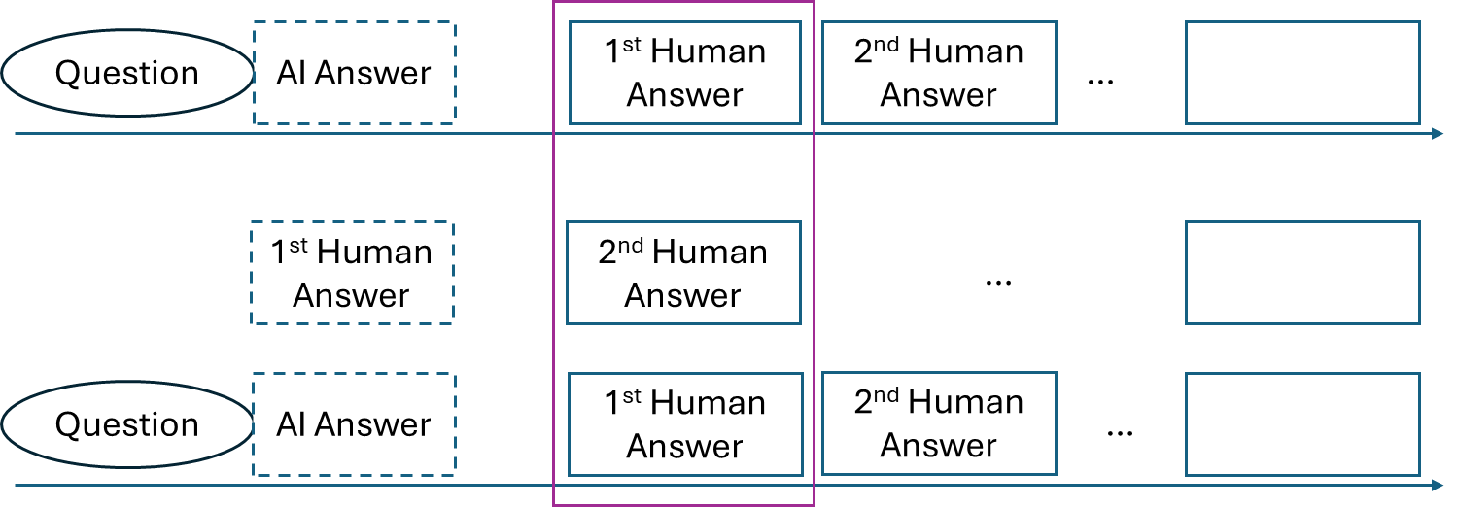
5.35924 | -0.135948804
8.84476 | 0.261400476

The impact of AI-generated answers on the answer supply and answer quality
 | (1) | (2) | (3) | (4)
DV | Log(answer number in 7 days) |  | First answer quality
AIi | -0.046*** | 0.188* | 0.072 | 0.411
 | (0.011) | (0.080) | (0.083) | (0.718)
AIi * Lengthi |  | -0.046*** |  | -0.204
 |  | (0.014) |  | (0.128)
AIi * Qualityi |  | 0.004 |  | 0.114**
 |  | (0.004) |  | (0.037)
question controls | √ | √ | √ | √
questioner controls | √ | √ | √ | √
question timing FE | √ | √ | √ | √
N | 3,613 | 3,612 | 2,727 | 2,726

interaction plot (original)
 | DV: # human answers | DV: quality first human answer |  | mean | std |  | mean | std
treatment | 0.188 | 0 | log_textLengthCNAI_fillna | 2.77437 | 2.86413 | AI | 5.675991 | 0.5556025
treatment:log_textLengthCNAI_fillna | -0.046 | 0 |  |  |  | Human | 0 | 0
treatment:qualityAI_fillna | 0 | 0.091 | qualityAI_fillna | 0.2706813 | 0.2972415 | AI | 7.102 | 1.74276
 |  |  |  |  |  | Human | 0 | 0

 | AI Answer |  | No AI Answer
6.2315935 | -0.098653301 | 6.23 | 0
5.1203885 | -0.047537871 | 0 | 0
0 | 0.188
6.23
0

 | DV: # human answers
log_textLengthCNAI_fillna | AI Answer | No AI Answer
6.2315935 | -0.098653301
5.1203885 | -0.047537871
0 | 0.188
6.23 |  | 0
0 |  | 0

 | DV: first human answer quality
AISimWithOpus47_fillna | AI Answer | No AI Answer
8.8 |  | 0
0 |  | 0
0 | 0
5.35924 | 0.48769084
8.84476 | 0.80487316

